Requirements
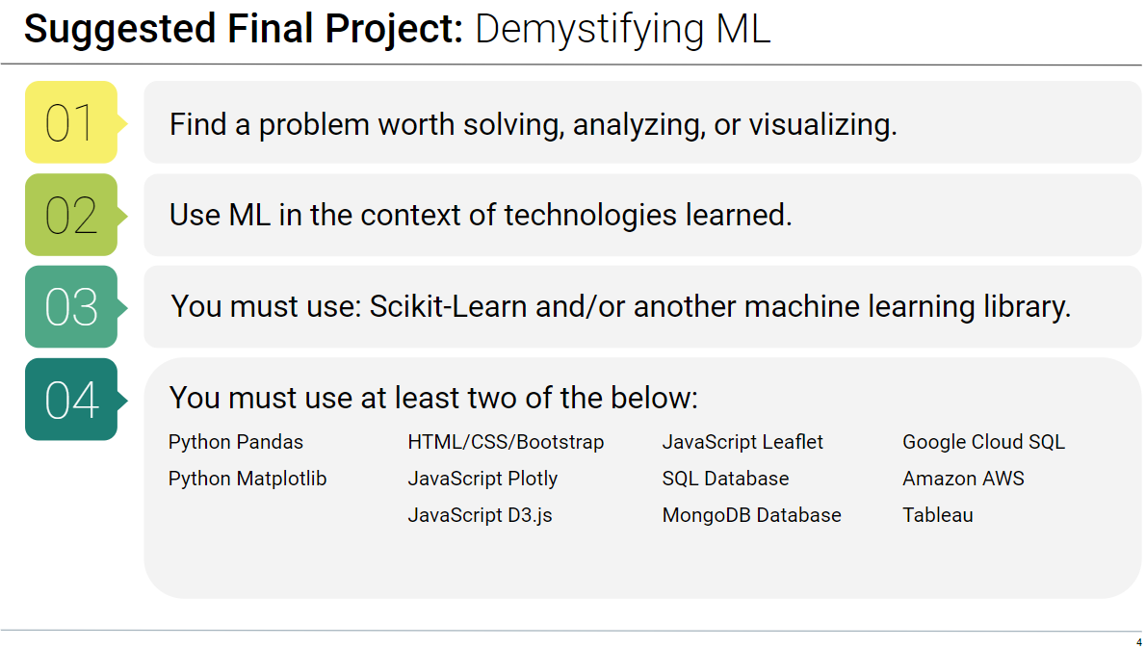

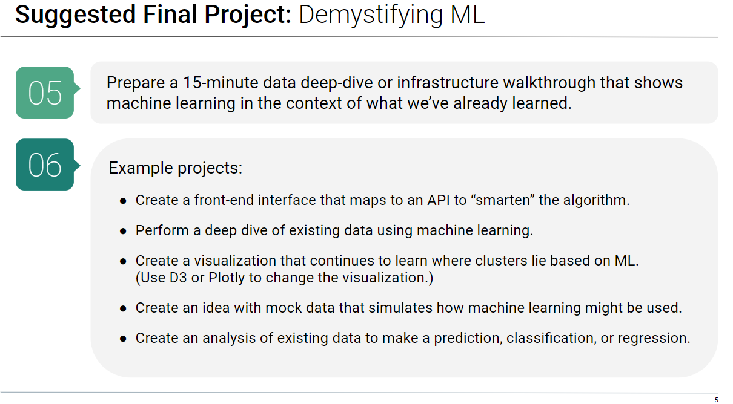

WORK FLOW
Define the problem:
State out in machine learning terms what we are trying to discover.
Start Gathering Data
While stating problem build site for displaying data

LINKS TO DATA CLEANSING:
Document Where and how we get data. Document definitions of data.
Document any steps taken in data cleansing.

Determine Best model for our data.
Document model and start building.

